Applicability Rebuild
 | Spreadsheet Applicability[] ApplicabilityFromEntityArray ( Entity[] entities )
 | Step | Formula
 | AllApplicabilities | = flatten ( entities.applicabilities )
 | Selected | = length ( entities [ select all having isSelected ] )
 | AllApplicabilityTypes | = getValues ( ApplicabilityType )
 | Applicabilities | = MergeApplicability ( $AllApplicabilityTypes, $AllApplicabilities )

 |  |  | //not used step

 | Spreadsheet Applicability MergeApplicability ( ApplicabilityType type, Applicability[] applicabilities )
 | Step | Formula
 | ApplicabilityByType | = applicabilities [ select all having applicabilityType == type ]
 | Cardinality | = ( type == "Not Allowed" or type == "Min check" ) ? $ApplicabilityByType[0].cardinality : length ( $ApplicabilityByType )
 | Return | = Applicability ( applicabilityType = type, cardinality = $Cardinality )

 |  |  |  | Integer | count
 | Spreadsheet Coverage[] CoverageApplicabilityRebuild ( Applicability[] currentApplicabilities, Applicability[] newApplicabilities, Coverage[] coveragesByType, Coverage offerCoverage )
 | Step | Formula
 | GetMandatory | = coveragesByType [select all having contains ( applicabilities.applicabilityType, "Mandatory") ]
 | GetOptional | = coveragesByType [select all having contains ( applicabilities.applicabilityType, "Optional") ]
 | GetOnDemand | = coveragesByType [select all having contains ( applicabilities.applicabilityType, "On Demand") ]
 | GetNotAllowed | = coveragesByType [select all having contains ( applicabilities.applicabilityType, "Not Allowed") ]
 | GetMinCheck | = coveragesByType [select all having contains ( applicabilities.applicabilityType, "Min check") ]
 | FilteredCoverages | = flatten ( $GetMandatory, $GetOptional, $GetOnDemand, $GetNotAllowed, $GetMinCheck )
do we need to put selected on the first place | CountMandatoryInNewApplicability | = newApplicabilities[select first having applicabilityType == "Mandatory"].cardinality
 | CreateMandatoryCoverages | = ApplicabilitiesHandler ( $CountMandatoryInNewApplicability, $FilteredCoverages, "Mandatory", offerCoverage )
 | RemoveFirstRoundCoverages | = slice ( $FilteredCoverages, $CountMandatoryInNewApplicability, length ($FilteredCoverages) )
SortedCoverages | OptionalInNewApplicability | = newApplicabilities[select first having applicabilityType == "Optional" ]
 | CountOptionalInNewApplicability | = isEmpty ( $OptionalInNewApplicability.cardinality ) ? 0 : $OptionalInNewApplicability.cardinality
 | CreateOptionalCoverages | = $CountOptionalInNewApplicability != 0 ? ApplicabilitiesHandler ( $CountOptionalInNewApplicability, $RemoveFirstRoundCoverages, "Optional", offerCoverage )
need to use one rule for all applicability type | RemoveSecondRoundCoverages | = slice ( $FilteredCoverages, $CountMandatoryInNewApplicability + $CountOptionalInNewApplicability, length ($FilteredCoverages) )
 | OnDemandInNewApplicability | = newApplicabilities[select first having applicabilityType == "On Demand" ]
 | CountOnDemandInNewApplicability | = isEmpty ( $OnDemandInNewApplicability.cardinality ) ? 0 : $OnDemandInNewApplicability.cardinality
 | CreateOnDemandCoverages | = $CountOnDemandInNewApplicability != 0 ? ApplicabilitiesHandler ( $CountOnDemandInNewApplicability, $RemoveSecondRoundCoverages, "On Demand", offerCoverage )
 | RemoveThirdRoundCoverages | = slice ( $FilteredCoverages, $CountMandatoryInNewApplicability + $CountOptionalInNewApplicability + $CountOnDemandInNewApplicability, length ($FilteredCoverages) )
 | NotAllowedInNewApplicability | = newApplicabilities[select first having applicabilityType == "Not Allowed" ]
 | CountNotAllowedInNewApplicability | = isEmpty ( $NotAllowedInNewApplicability.cardinality ) ? 0 : $NotAllowedInNewApplicability.cardinality
 | CreateNotAllowedCoverages | = $CountNotAllowedInNewApplicability != 0 ? ApplicabilitiesHandler ( $CountNotAllowedInNewApplicability, $RemoveThirdRoundCoverages, "Not Allowed", offerCoverage )
 | RemoveFourthRoundCoverages | = slice ( $FilteredCoverages, $CountMandatoryInNewApplicability + $CountOptionalInNewApplicability + $CountOnDemandInNewApplicability + $CountNotAllowedInNewApplicability, length ($FilteredCoverages) )
 | MinCheckInNewApplicability | = newApplicabilities[select first having applicabilityType == "Min check" ]
 | CountMinCheckInNewApplicability | = isEmpty ( $MinCheckInNewApplicability.cardinality ) ? 0 : $MinCheckInNewApplicability.cardinality
 | CreateMinCheckCoverages | = $CountMinCheckInNewApplicability != 0 ? ApplicabilitiesHandler ( $CountMinCheckInNewApplicability, $RemoveThirdRoundCoverages, "Min check", offerCoverage )
 | BuiltCoverages | = flatten ( $CreateMandatoryCoverages, $CreateOptionalCoverages, $CreateOnDemandCoverages, $CreateNotAllowedCoverages, $CreateMinCheckCoverages )
 | MarkExtraCoveragesFromArrayAsNotAllowed | = length ( $BuiltCoverages ) < length ( $FilteredCoverages ) ? MarkExtraCoveragesFromArrayAsNotAllowed ( slice ( $FilteredCoverages, length ( $BuiltCoverages ), length ( $FilteredCoverages )))
 | Coverages | = isNotEmpty ( $MarkExtraCoveragesFromArrayAsNotAllowed ) ? flatten ( $BuiltCoverages, $MarkExtraCoveragesFromArrayAsNotAllowed ) : $BuiltCoverages

 | SmartRules Coverage[] ApplicabilitiesHandler ( Integer countInNewApplicability, Coverage[] coveragesByType, String appType, Coverage offerCoverage )
 | TRUE? | Formula
 | = countInNewApplicability <= length ( coveragesByType ) | = CreateCoverageFromApplicability1scenario ( slice ( coveragesByType, 0, countInNewApplicability ), appType )
 | = countInNewApplicability > length ( coveragesByType ) | = CreateCoverageFromApplicability2scenario ( countInNewApplicability, coveragesByType, offerCoverage, appType )

here we add new enitity if it's needed | optional should be selected
 | on demand should be not selected

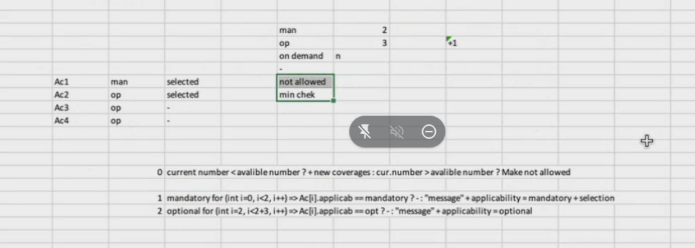
 | Spreadsheet Coverage CreateCoverageFromApplicability1scenario ( Coverage coverage, String expectedApplicabilityType )
 | TRUE | Formula
 | = coverage.applicabilities[0].applicabilityType != expectedApplicationType | = coverage.applicabilities = Applicability (applicabilityType = expectedApplicabilityType, cardinality = 1 ); coverage
 |  | = coverage

 | Spreadsheet Coverage[] CreateCoverageFromApplicability2scenario ( Integer countInNewApplicability, Coverage[] coveragesByType, Coverage offerCoverage, String appType )
 | Step | Formula
 | NeededNumberOfCoverages | = countInNewApplicability - length ( coveragesByType )
 | NewCoverages | = new Coverage[ $NeededNumberOfCoverages ]
 | DublicateCoverage | = DublicateCoverage ( $NewCoverages, offerCoverage )
 | CollectCoverages | = flatten ( coveragesByType, $DublicateCoverage )
 | CheckCoverages | = CreateCoverageFromApplicability1scenario ( $CollectCoverages, appType )

 | Spreadsheet Coverage DublicateCoverage ( Coverage newCoverage, Coverage offerCoverage ) |  |  |  |  | jason2
 | Step | Formula |  |  |  | come from UI |  | need to build using this applicability
 | ResetCoverage | = newCoverage = copy ( offerCoverage ) |  |  |  | Ac1 | man | man | 1
 |  |  |  |  |  | Ac2 | man | op | 3
 |  |  |  |  |  | Ac3 | op
 | Spreadsheet Coverage MarkExtraCoveragesFromArrayAsNotAllowed ( Coverage coverage ) |  |  |  |  | Ac4 | op
 | Step | Formula
 | SetNotAllowed | = coverage.applicabilities[0].applicabilityType = "Not Allowed"; coverage |  |  |  | json3
 |  |  |  |  |  | come from UI |  | need to build using this applicability
 |  |  |  |  |  | Ac1 | man | man | 1
 |  |  |  |  |  | Ac2 | man | op | 1
 |  |  |  |  |  | Ac3 | op

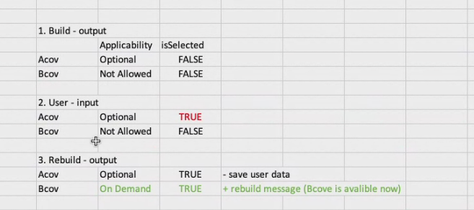
 |  |  |  |  |  | json4
 |  |  |  |  |  | come from UI |  | need to build using this applicability
 |  |  |  |  |  | Bcov | not allowed | on demand | 1

 |  |  |  |  |  | json5
 |  |  |  |  |  | come from UI |  | need to build using this applicability
 |  |  |  |  |  | Ac1 | man | man | 1
 |  |  |  |  |  | Ac2 | man | op | 1
 |  |  |  |  |  | Ac3 | op | not allowed | 1

 |  |  |  |  |  | что делаем с isSelected при смене типа?

